BPY
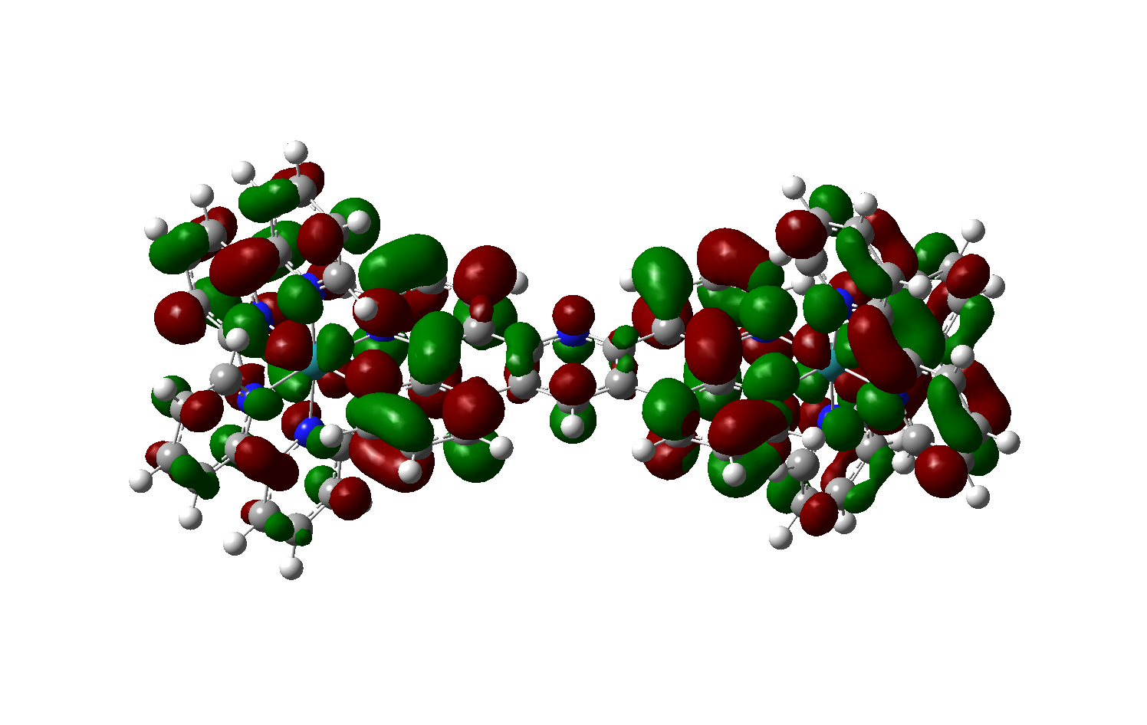
Energy (eV) | Wavelength (nm) | Osc. Strength | Type |  | ML1
2.356 | 526 | 0.090 | M -> Lbpy+phen |  | ML2
2.566 | 483 | 0.362 | M -> Lbpy+phen |  | ML3
2.577 | 481 | 0.111 | M -> Lbpy+phen
2.582 | 480 | 0.112 | M -> Lbpy+phen | Lbpy+phen
2.863 | 433 | 0.117 | M -> Ltpac
3.072 | 403 | 0.062 | M -> Ltpac
3.257 (2) | 381 | 0.058, 0.050 | M -> Lbpy
3.436 | 361 | 0.081 | M -> Lbpy

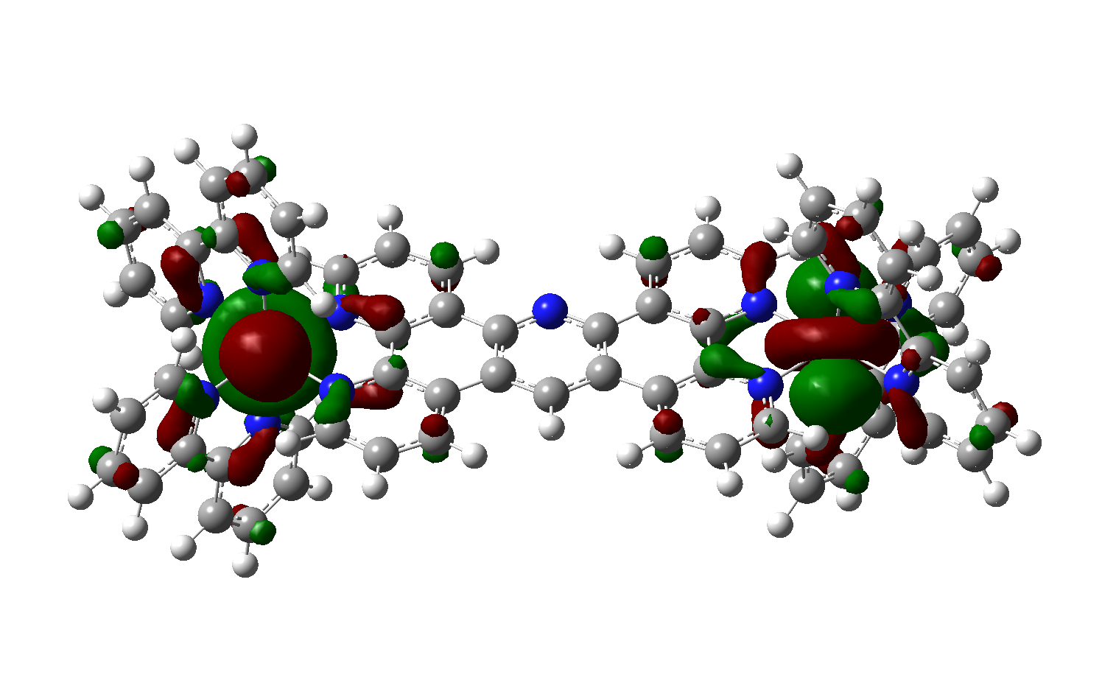
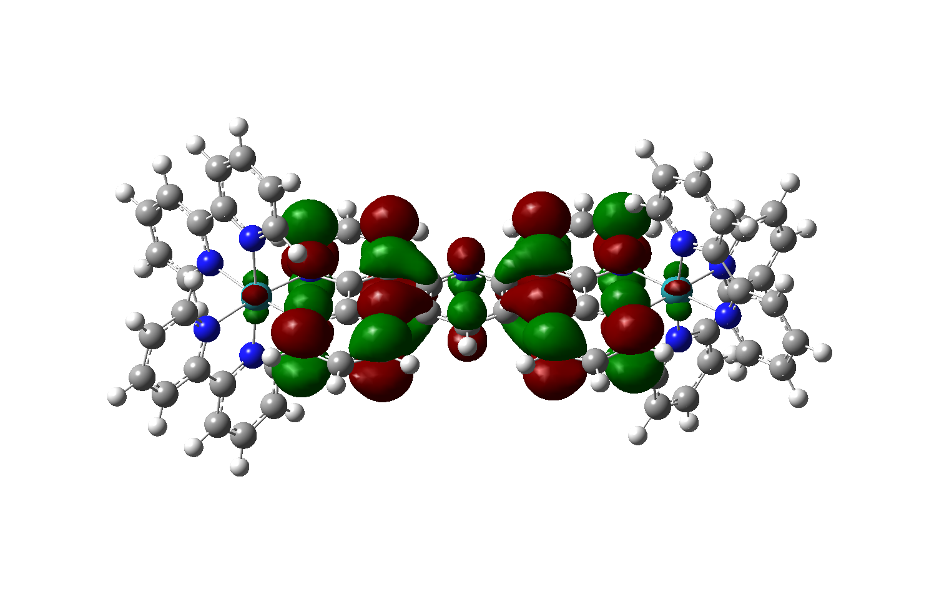
HOMO/HOMO-1

 |  |  |  | Ltpac

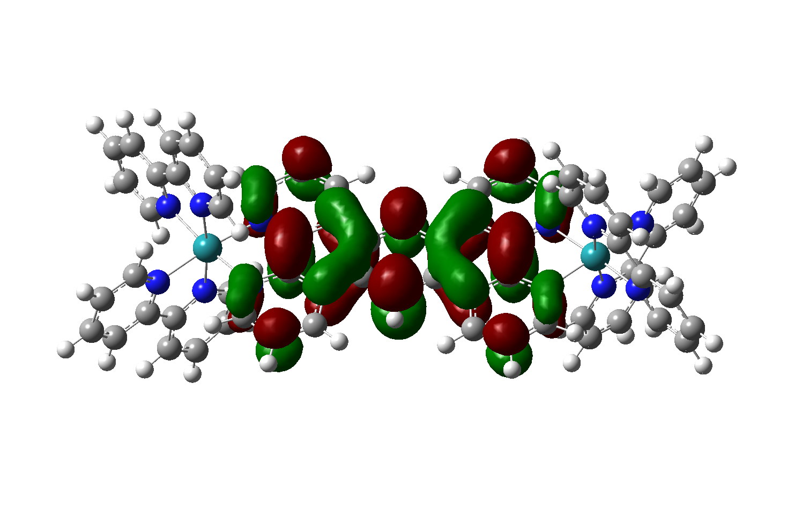
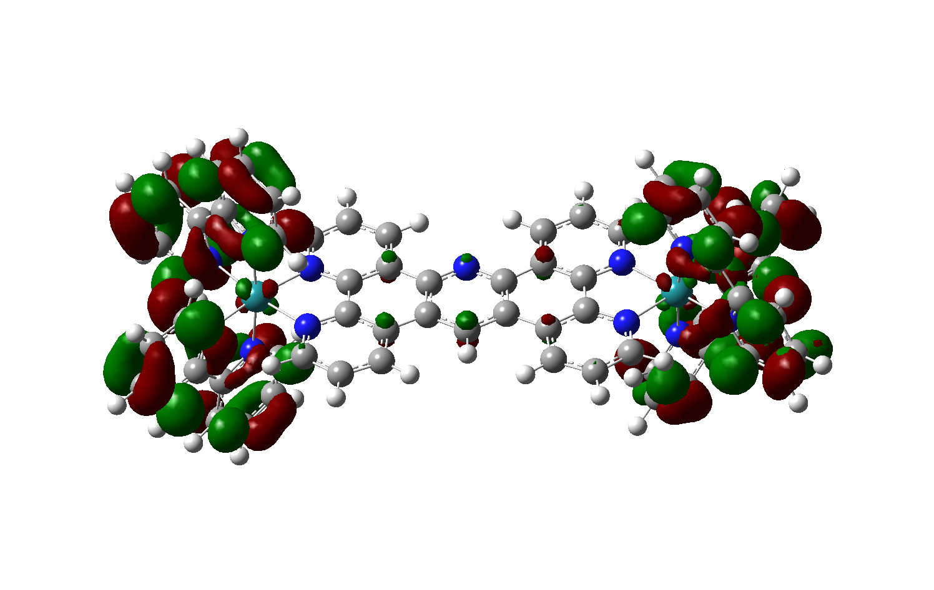
LUMO

 |  |  |  | Lbpy

BPY-OMe
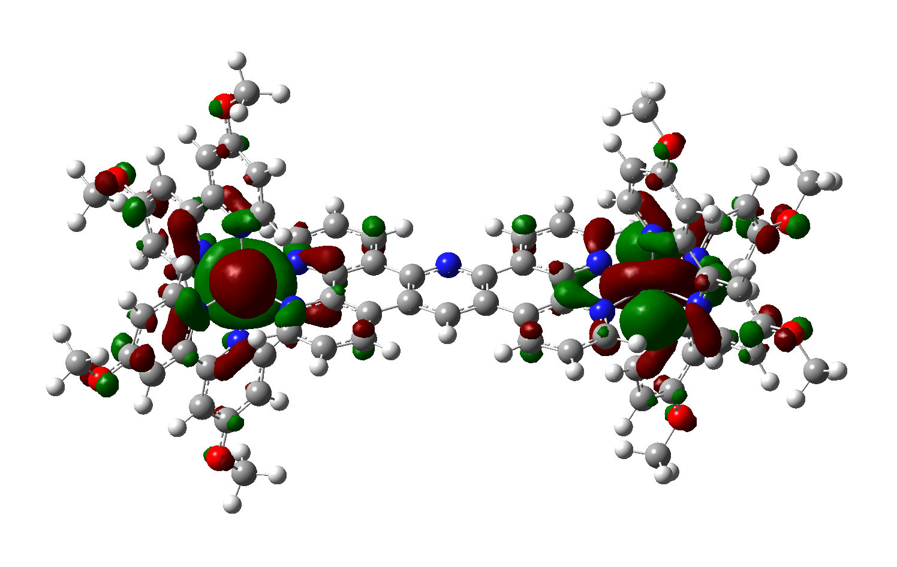
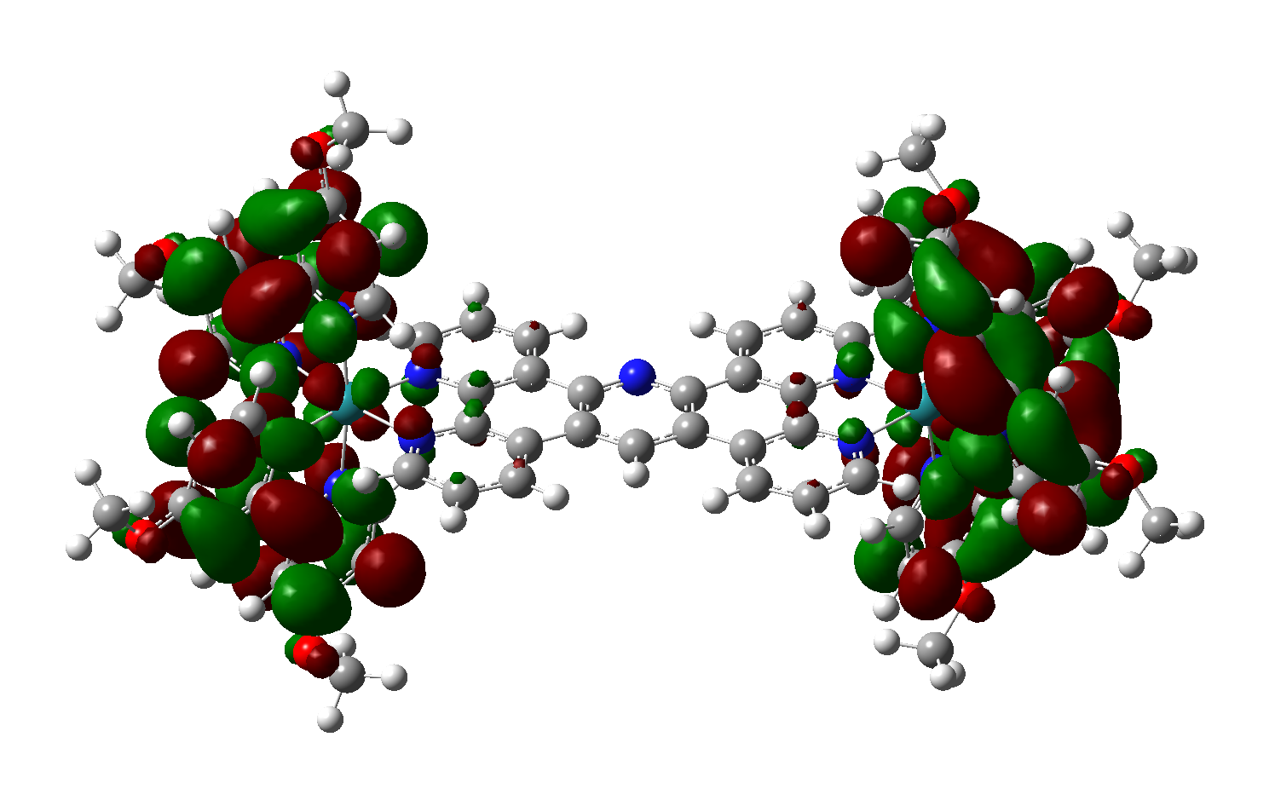
Energy (eV) | Wavelength (nm) | Osc. Strength | Type |  | ML1
2.343 (2) | 529 | 0.118, 0.055 | M -> Lbpy |  | ML2
2.346 | 528 | 0.110 | M -> Lbpy |  | ML3
2.420 | 512 | 0.240 | M -> Lbpy
2.504 | 495 | 0.056 | M -> Lbpy | Lbpy
2.507 | 494 | 0.059 | M -> Lbpy
2.666 | 465 | 0.067 | M -> Ltpac
2.795 | 444 | 0.177 | M -> Ltpac
3.423 (2) | 362 | 0.064, 0.071 | M -> Lbpy

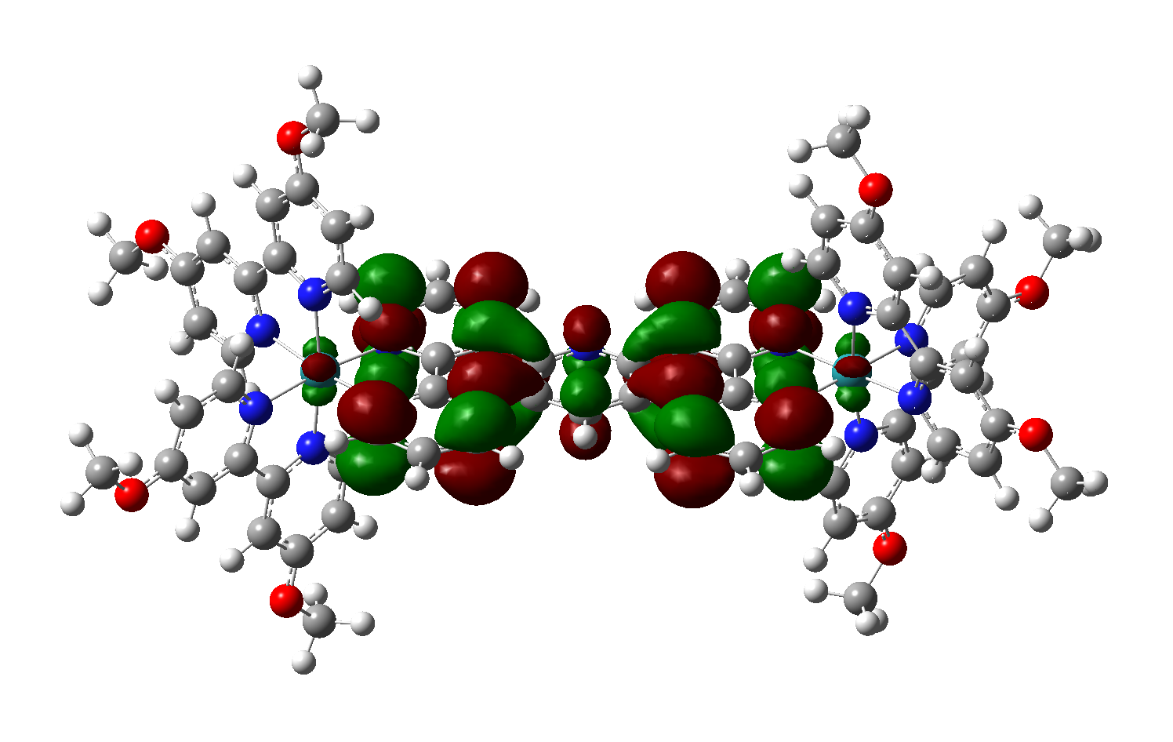
HOMO/HOMO-1

 |  |  |  | Ltpac

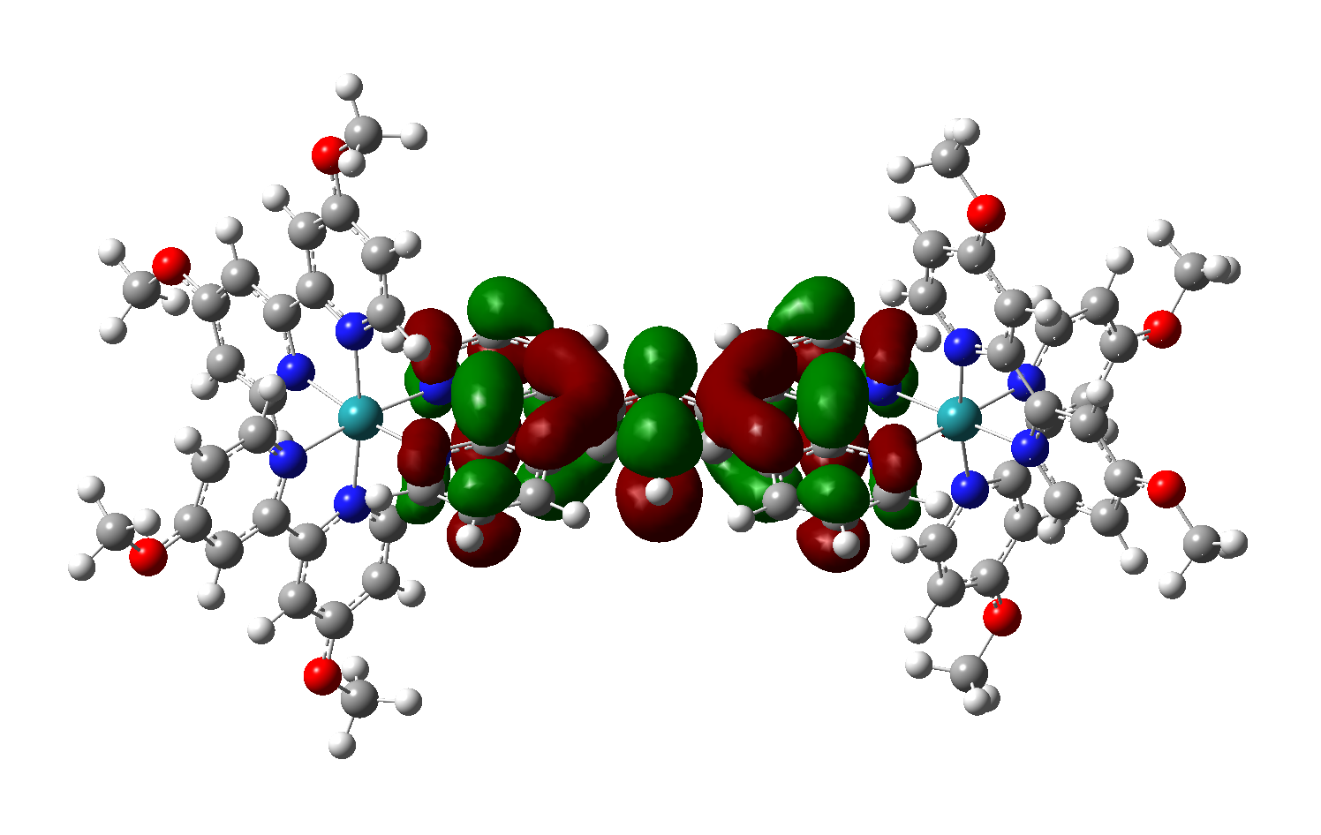
LUMO

BPY-CF3
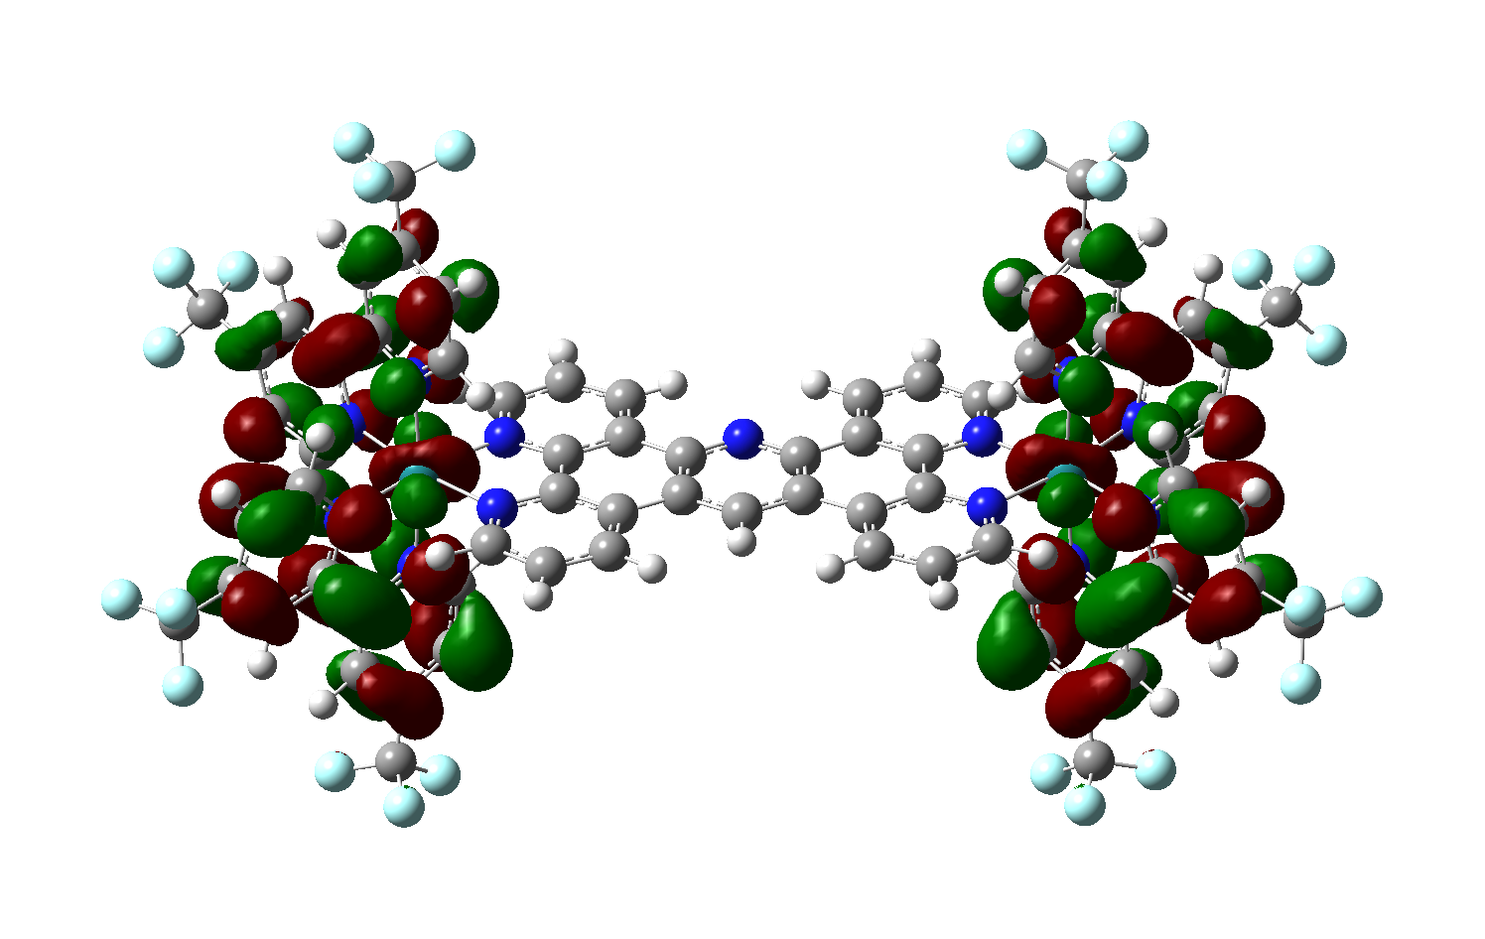
Energy (eV) | Wavelength (nm) | Osc. Strength | Type |  | ML1
2.238 | 554 | 0.049 | M -> Lbpy |  | ML2
2.385 | 520 | 0.068 | M -> Ltpac | Lbpy | ML3
2.411 | 514 | 0.096 | M -> Ltpac
2.457 | 505 | 0.152 | M -> Ltpac, M -> Lbpy
2.564 | 484 | 0.151 | M -> Ltpac, M -> Lbpy
2.568 | 483 | 0.060 | M -> Ltpac, M -> Lbpy
2.781 | 446 | 0.063 | M -> Lbpy
2.800 | 443 | 0.170 | M -> Ltpac
2.916 | 425 | 0.063 | M -> Lbpy
2.991 | 415 | 0.053 | M -> Lbpy
3.053 | 406 | 0.113 | M -> Ltpac
3.211 | 386 | 0.111 | M -> Lbpy
3.252 | 381 | 0.057 | M -> Lbpy
3.346 | 371 | 0.056 | M -> Ltpac
3.348 | 370 | 0.099 | M -> Ltpac

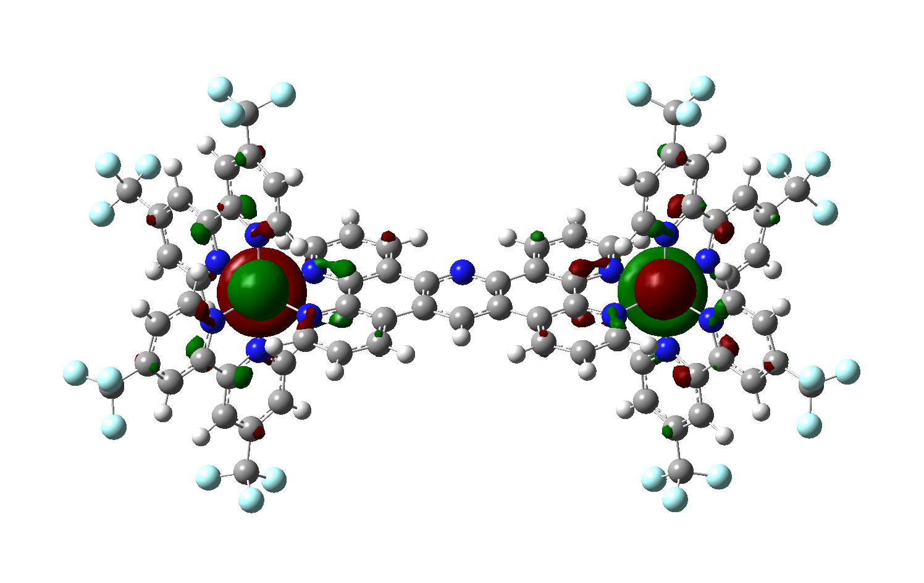
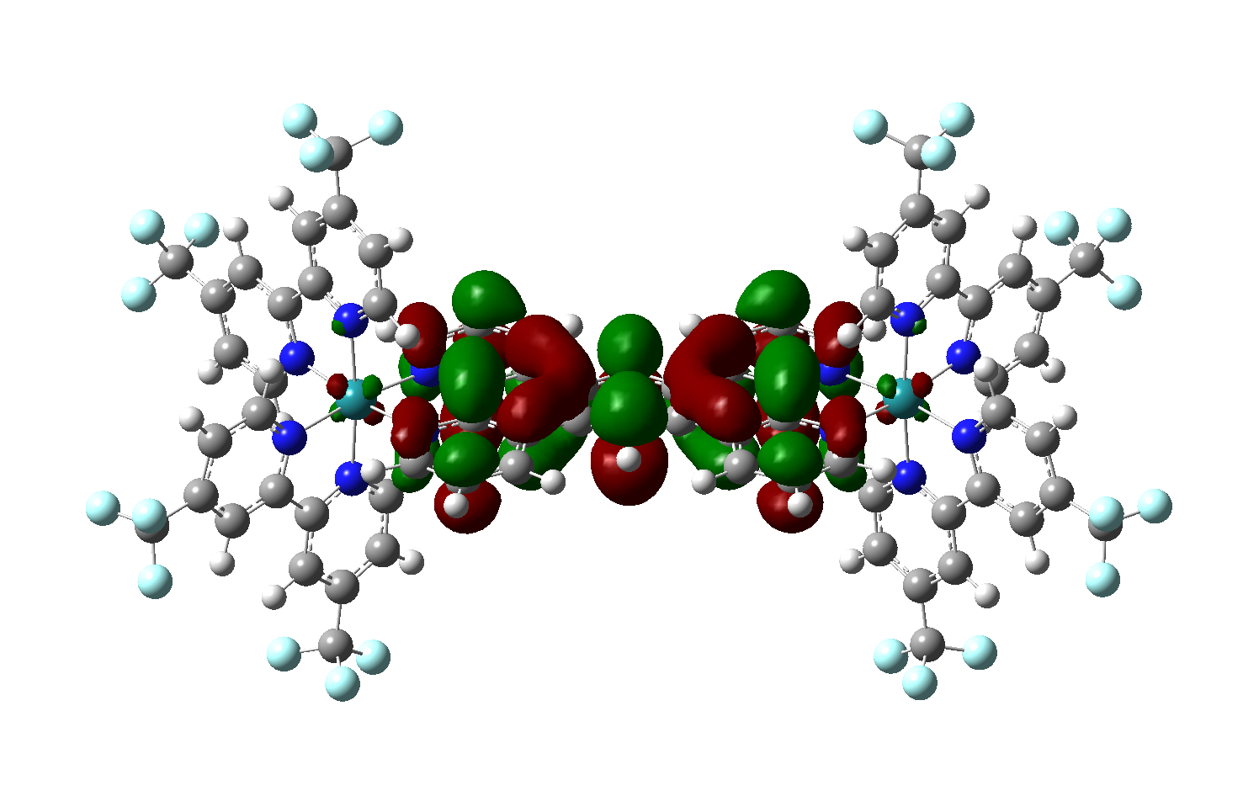
HOMO/HOMO-1 |  |  |  | Ltpac

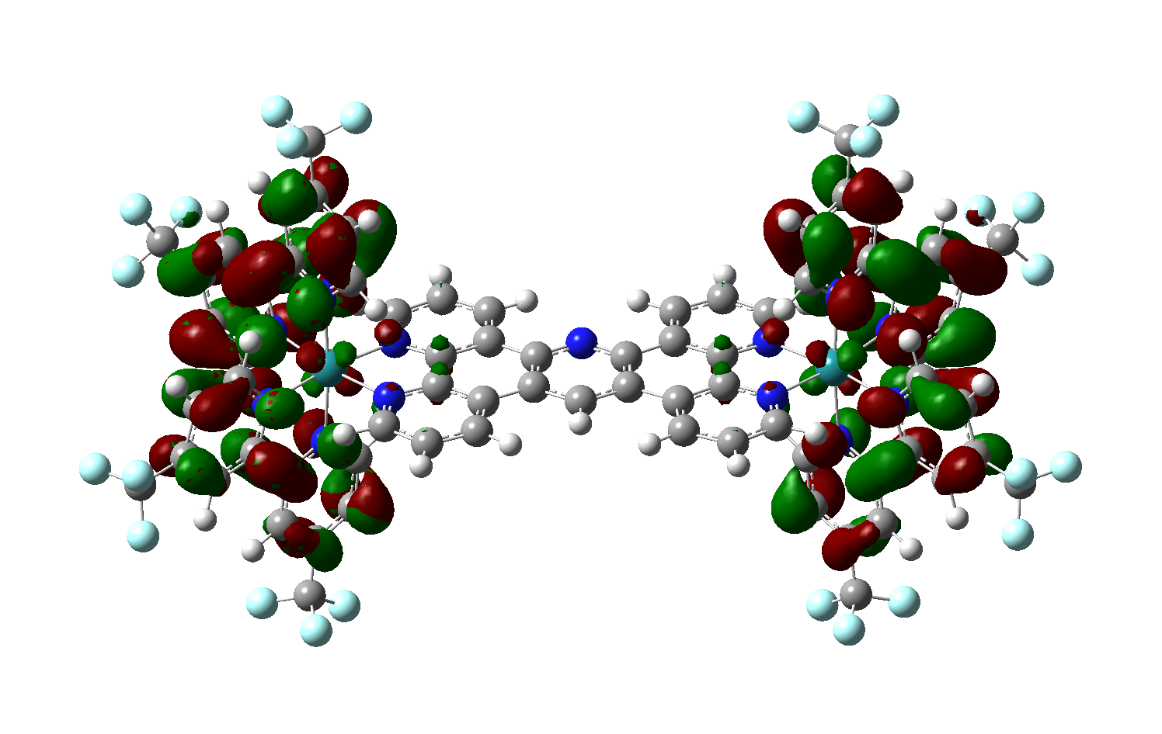
LUMO/LUMO+1

